Dashboard
NETFLIX CONTENT ANALYSIS

Dashboard Preview • Data included in this workbook

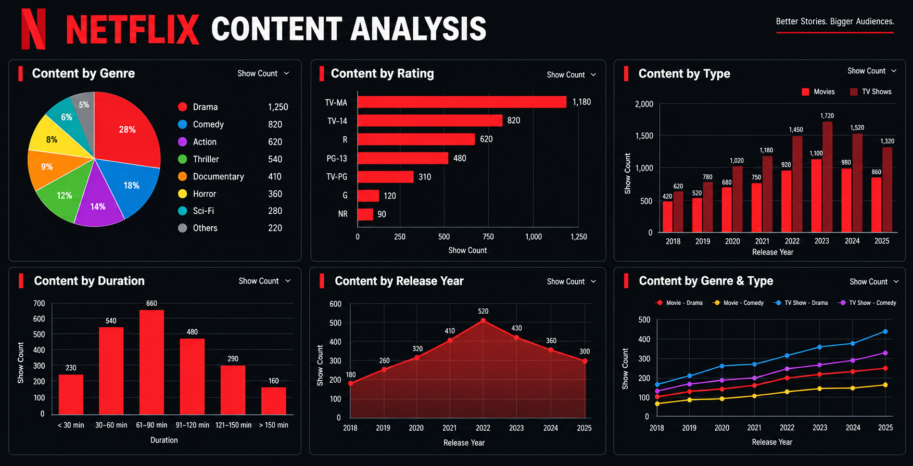

RAW DATA → Netflix_Data | SUMMARY / CHART DATA → Dashboard_Data

Dashboard_Data
NETFLIX CONTENT ANALYSIS

Genre | Show Count | Rating | Show Count | Year | Movies | TV Shows | Duration | Show Count | Release Year | Show Count | Dashboard chart data
Drama | 24 | TV-MA | 34 | 2018 | 12 | 11 | < 30 min | 13 | 2018 | 23
Comedy | 26 | TV-14 | 26 | 2019 | 12 | 8 | 30–60 min | 87 | 2019 | 20
Action | 28 | R | 26 | 2020 | 15 | 7 | 61–90 min | 43 | 2020 | 22
Thriller | 18 | PG-13 | 30 | 2021 | 12 | 20 | 91–120 min | 17 | 2021 | 32
Documentary | 24 | TV-PG | 26 | 2022 | 11 | 12 | 121–150 min | 21 | 2022 | 23
Horror | 22 | G | 29 | 2023 | 13 | 8 | > 150 min | 19 | 2023 | 21
Sci-Fi | 19 | NR | 29 | 2024 | 14 | 13 |  |  | 2024 | 27
Others | 39 |  |  | 2025 | 13 | 19 |  |  | 2025 | 32

Content by Genre
Content by Rating

Content by Type
Content by Duration

Content by Release Year

